Planilha1
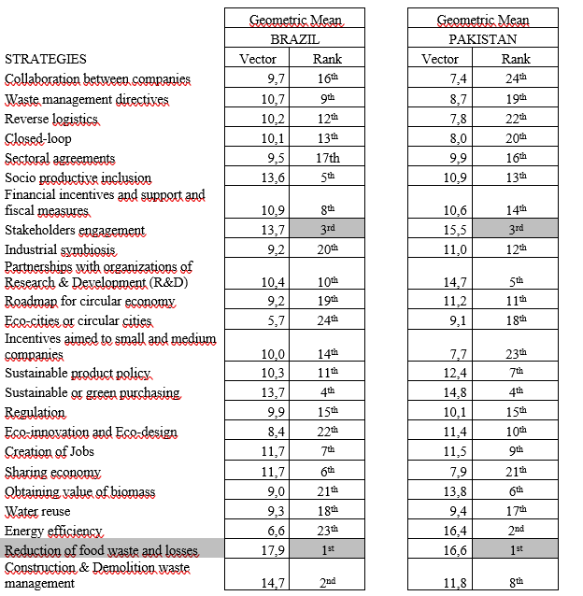
Rank | Brazil | Pakistan
1st | Reduction of food waste and losses | Reduction of food waste and losses
2nd | C&D waste management | Energy efficiency
3rd | Stakeholders engagement | Stakeholders engagement
4th | Sustainable of green purchasing | Sustainable of green purchasing
5th | Socio productive inclusion | Partnerships with organizations of P&D
6th | Sharing Economy | Obtaining value of biomass
7th | Creation of jobs | Sustainable product policy
8th | Financial incentives and support and fiscal measures | C&D waste management
9th | Waste management directives | Creation of jobs
10th | Partnerships with organizations of P&D | Eco-innovation and eco-design
11th | Sustainable product policy | Roadmap for circular economy
12th | Reverse logistics | Industrial symbiosis
13th | Closed-loop | Socio productive inclusion
14th | Incentives aimed to small and medium companies | Financial incentives and support and fiscal measures
15th | Regulation | Regulation
Este gráfico não está disponível na sua versão de Excel. Editar esta forma ou salvar esta pasta de trabalho em um formato de arquivo diferente quebrará o gráfico permanentemente.
16th | Collaboration between companies | Sectoral agreements
17th | Sectoral agreements | Water reuse
18th | Water reuse | Eco-cities or circular cities
19th | Roadmap for circular economy | Waste management directives
20th | Industrial symbiosis | Closed-loop
21th | Obtaining value of biomass | Sharing economy
22th | Eco-innovation and eco-design | Reverse logistics
23th | Energy efficiency | Incentives aimed to small and medium companies
24th | Eco-cities or circular cities | Collaboration between companies

Do you act directly with circular economy?

Country | Total
Brazil | 67
Pakistan | 102
 | Work directly with circular economy
 | Pakistan | Brazil
No | 51 | 26
Yes | 52 | 41
Maybe | 1 | 0
 | Level of knowledge
 | Pakistan | Brazil
Very high | 3 | 5
High | 36 | 37
Neutral | 49 | 16
Low | 13 | 7
Very low | 1 | 2
 | Segment of acting
 | Pakistan | Brazil
Segment of acting
Level of knowledge on circular economy
Academia/Research | 36 | 38
Agrifood Industry | 1 | 1
Association (vulnerable workers) | 1 | 4
Automotive industry | 0 | 1
C&D | 0 | 1
Communication sector | 1 | 0
Consultancy | 13 | 5
Energy/heat management | 3 | 0
Engineering/construction | 6 | 0
Environmental activism | 1 | 0
Financial corporation | 0 | 1
Government | 8 | 5
International cooperation | 2 | 0
NGO | 10 | 5
Sector of acting
Packaging | 1 | 1
Segment of acting
Petroleum industry | 1 | 0
Recycling | 1 | 1
Textile, Footwear & Apparel industry | 8 | 1
Waste management | 7 | 3
Water management | 2 | 0

 | Sector
 | Pakistan | Brazil
Primary Sector | 16 | 4
Secondary Sector | 16 | 3
Tertiary Sector | 16 | 10
Quaternary Sector | 35 | 25
Quinary Sector | 19 | 25

